1. Creating New Perf Form Templ
Creating a New Performance Template
Follow the instructions below each year to create a new Performance template for that specific year

1 | Go to Admin Center > Performance Management > Manage Templates > Performance Management
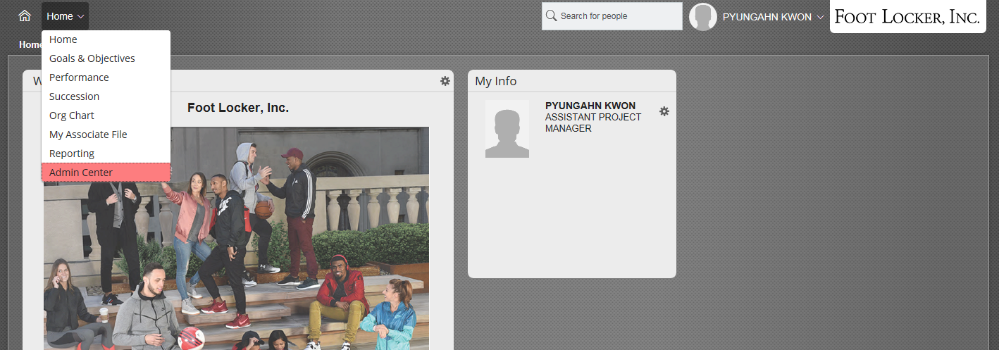

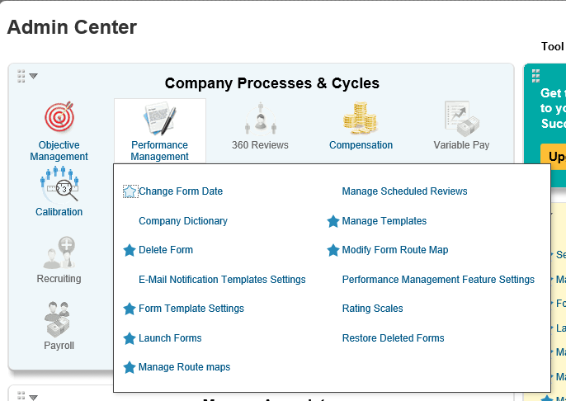

2 | Once in 'Manage Templates', select 'Performance Review'

3 | Select the current year's Goal Plan and select 'Save As' and save new template with current year (ex. 20XX Objectives)
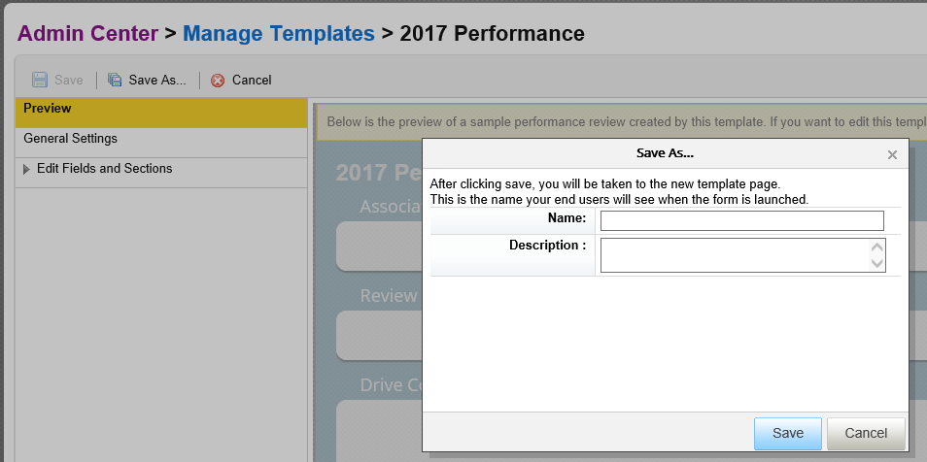

4 | Go into 'General Settings', ensure that the Route Map and Rating Scale are correct
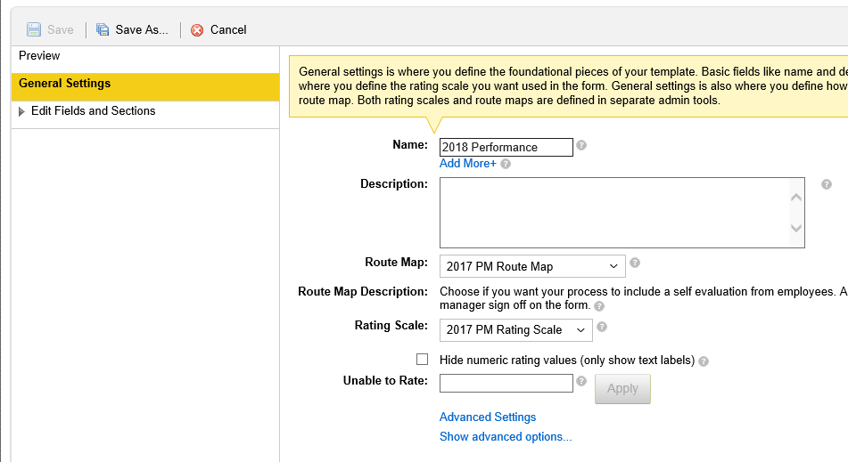

* | Additional configuration options are under 'General Settings' in 'Advanced Settings'

5 | Select 'Save' once complete with all changes.
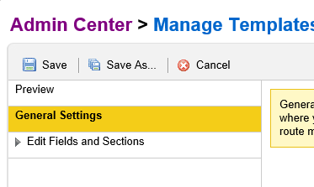

6 | Repeat these steps for the 'Service Center' Performance template

Note: You can not delete Performance templates, you can only inactivate them.

2. Updating the Perf Templ
Updating a Performance Template
Follow the instructions below to modify a Performance template if needed

1 | Go to Admin Center > Performance Management > Manage Templates > Performance Management

X | Once in 'Manage Templates', select 'Performance Review'

2 | Select the current year's Performance template (ex. 20XX Performance)

3 | General Settings' is where button permissions can be defined under 'Show Advanced Options'
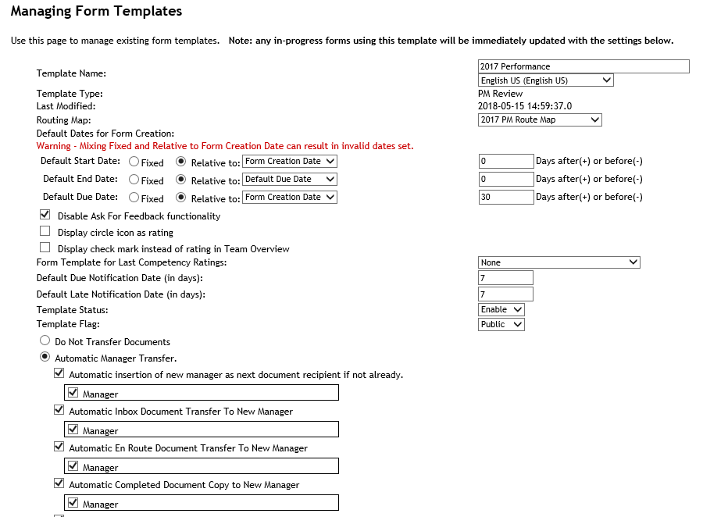

4 | Edit Fields and Sections' is where the title's for the current categories can be modified or another category can be added
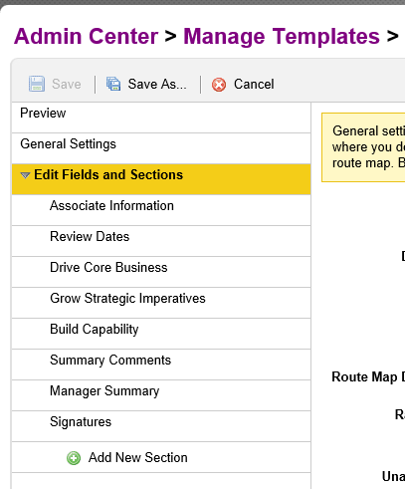

5 | Within each 'Field and Section' there are advanced options that allow additional configuration for that specific section
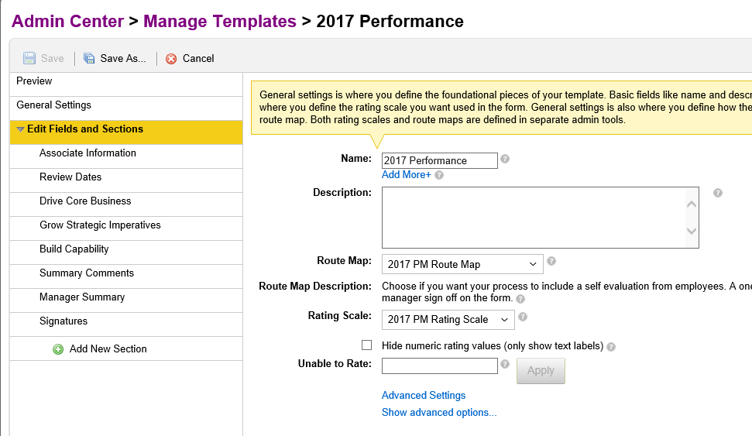

6 | Once completed with any changes, hit 'Save'

*For more informantion on Performance form modifications, refer to SAP Guide

3. Updating the Route Map
Updating the Route Map
Follow the instructions below to modify a Route Map if needed

1 | Go to Admin Center > Performance Management > Manage Route Maps

2 | Select the current year's Route Map (ex. 20XX PM Route Map)

3 | You can add additonal stages within each stage category (Modify Stage/Signature Stage)
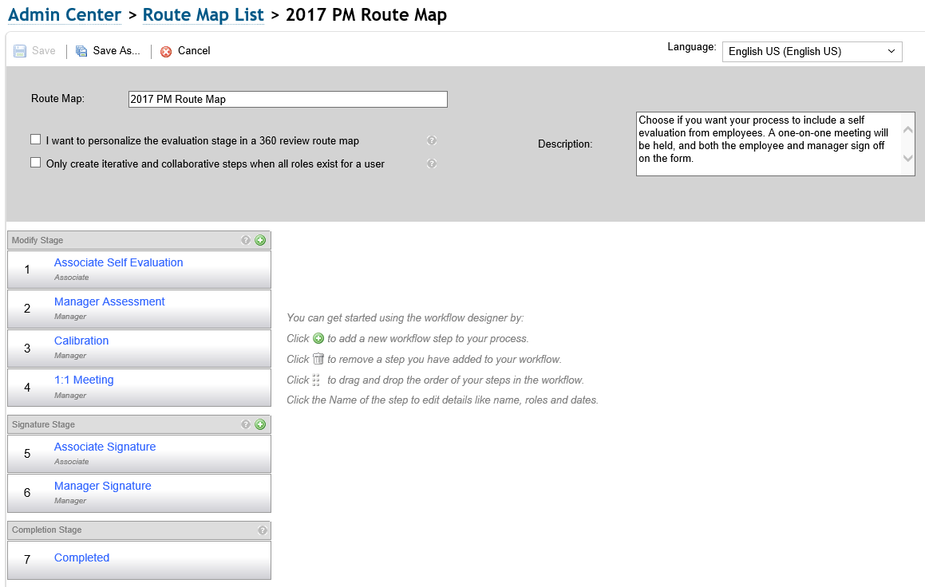

4 | Select a specific stage to change the name, description, step type, roles, start/exit/due date
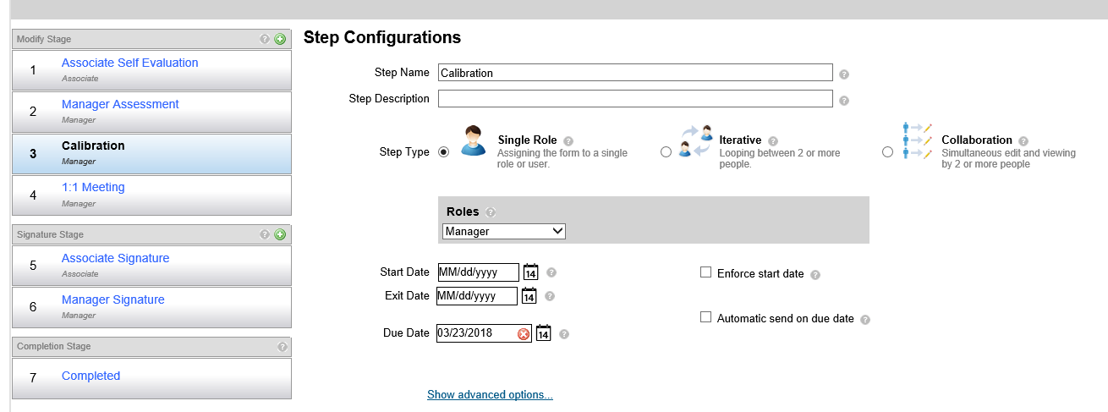

6 | Once completed with any changes, hit 'Save'

* | Additional configuration options are under 'Show Advanced Options' within each stage

4. Updating RBP
Updating Role Based Permissions
Follow the instructions below to modify a Role Based Permissions if needed

1 | Go to Admin Center > Set User Permissions > Manage Permission Roles

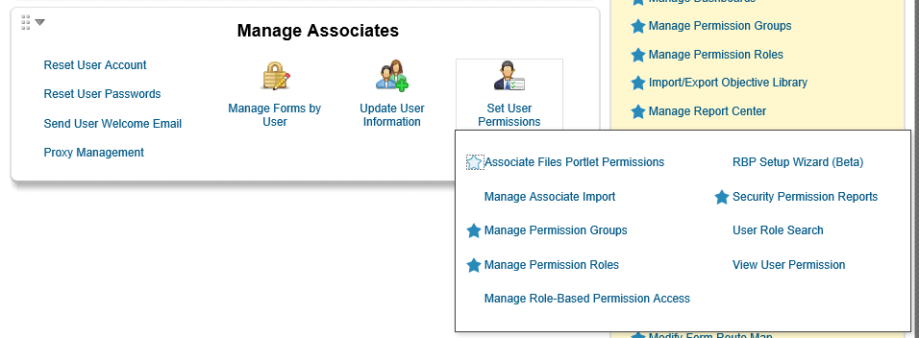

2 | Select the Permission Role of 'FL PM ALL'
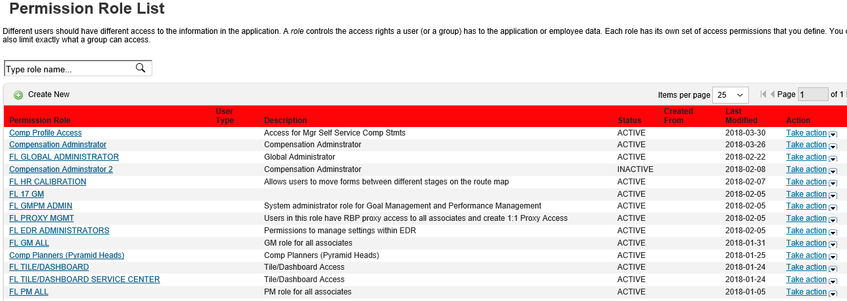

3 | Scroll down to 'Grant his role to..' and ensure that 'Everyone' is Active
 | *If not active, check box and select 'Make Active'
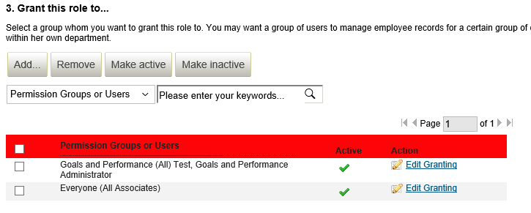

4 | Once completed select 'Save Changes'

5. Updating Proxy
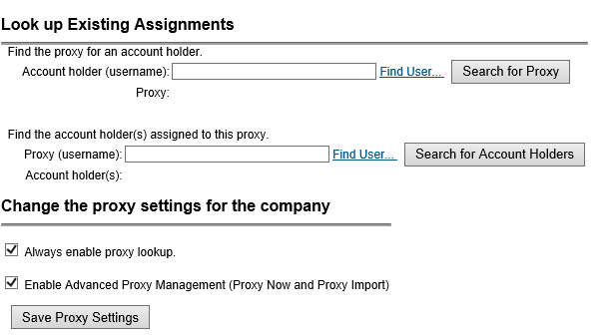
Updating Proxy Permissions
Follow the instructions below to modify Proxies if needed

1 | Go to Admin Center > Manage Associates > Proxy Management

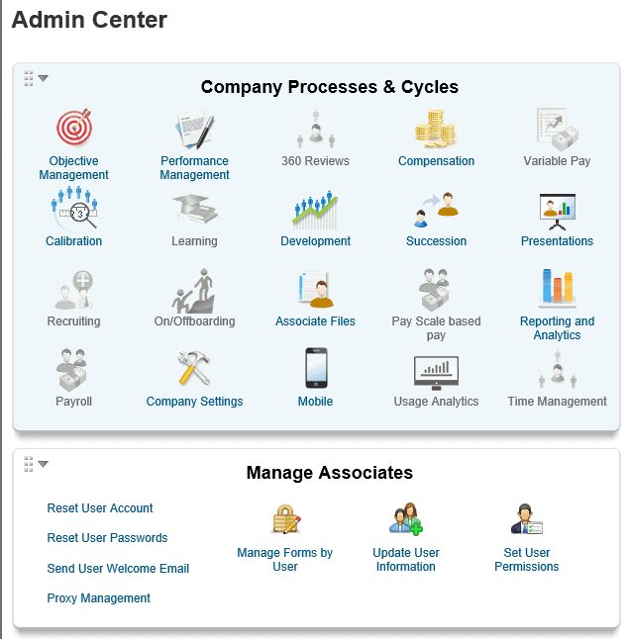

2 | Under 'Make Assignments'

3 | Input who will be the proxy in the 'Who will act as the proxy (username)' field

4 | Input who the proxy will go in behalf of in the 'What account holder will the proxy act on behalf of (username)' field

5 | Select the modules/tabs that the proxy will need access to
 | *When creating proxy assignments, if a proxy is already created, the most recent set up will overwrite what was previously assigned
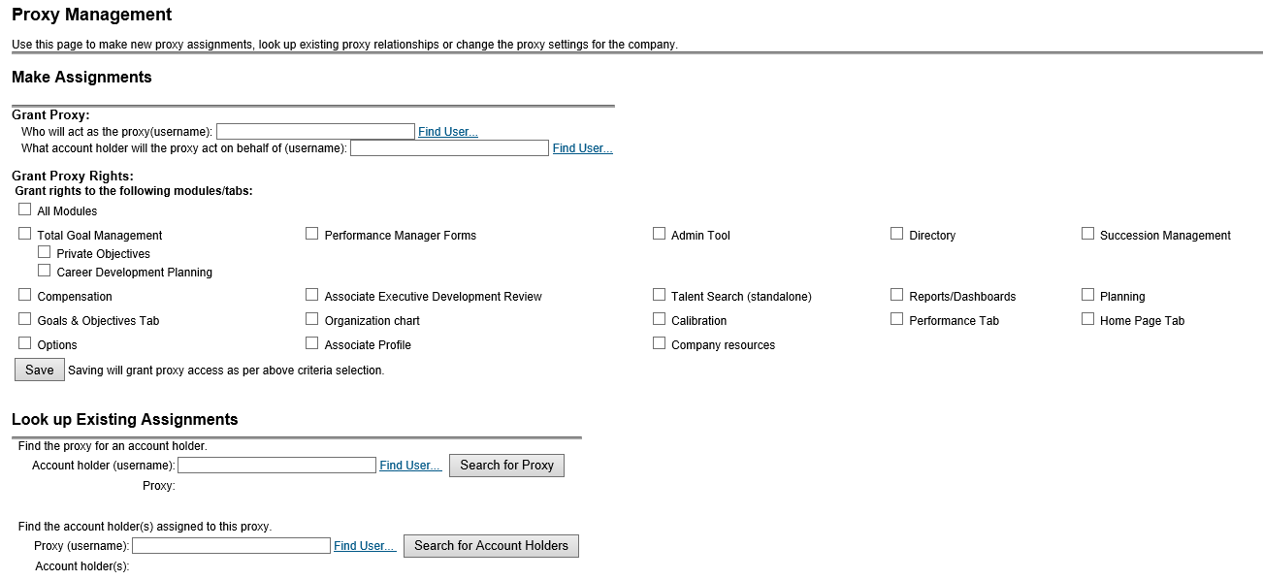

6 | Once completed select 'Save Changes'

6. Performance Reporting
Performance Reporting
Follow the instructions below to run Performance Reporting

* Refer to 'How to' Quick Reference Guides in Performance section of Resources

Follow the instructions below each year to update the Tile Reports

1 | Go to Admin Center > Reporting and Analytics > Manage Dashboards

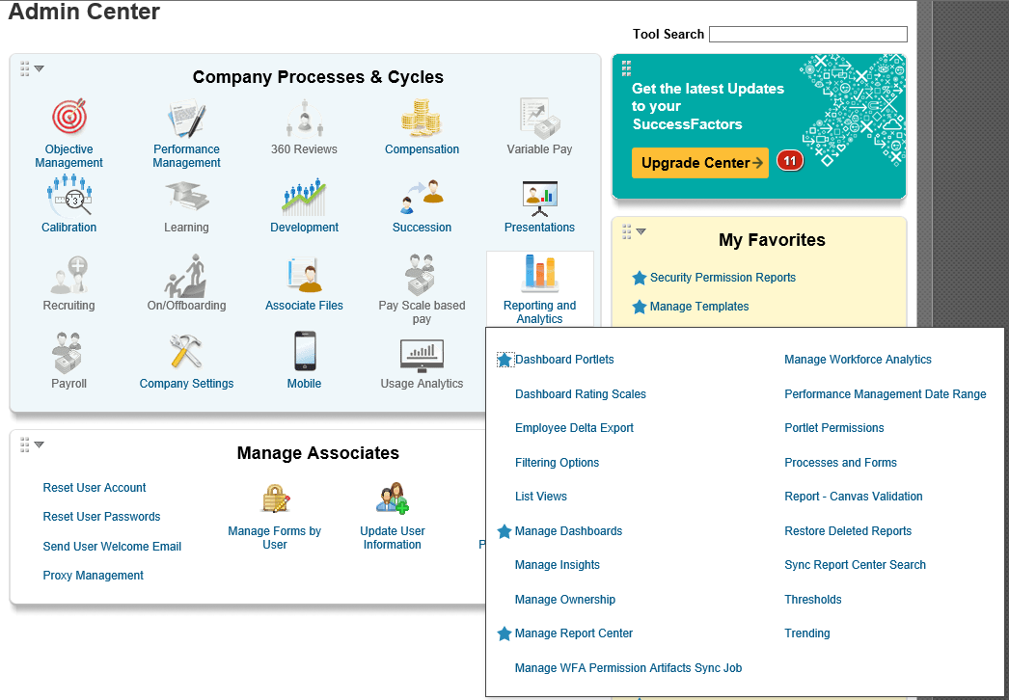

2 | Click on 'Manage Standard Dashboards and YouCalc Files'
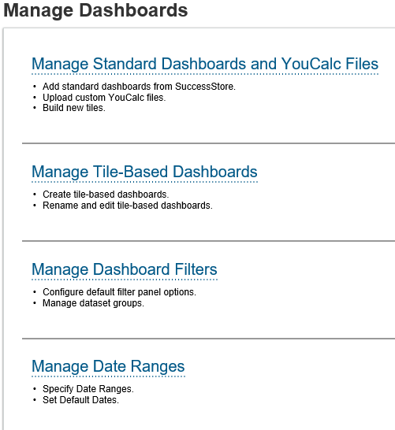

3 | Select one of the four tile reports (Overall Performance Rating Distribution+Service/Performance Form Status+Service)

4 | Select the 'Filters' tile and select the Performance template associated with that specific tile report and click 'Done'
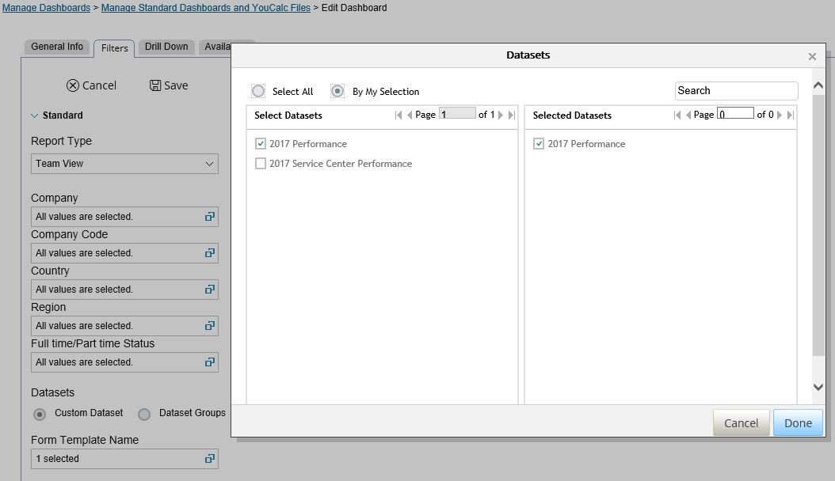

5 | Once completed, click 'Save'

